Foglio1
Ref URL | http://www.edr-edr.it/edr_programmi/res_complex_comune.php?do=book&id_nr=EDR001557
ID | EDR001557
Alt IDs? | TM268164
Object Type? | tabula
Material | marmor
Language | latina
Date | 71 d.C. / 130 d.C.
Inscription Type | sepulcralis
Image URLs | http://www.edr-edr.it/foto_epigrafi/thumbnails/1/th_001557.jpg?dummy=1574089531
 | 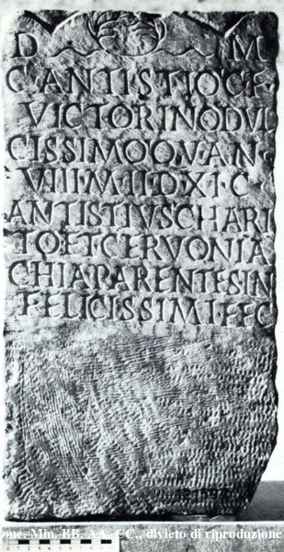
Interpretive | D(is) M(anibus).
 | C(aio) Antistio C(ai) f(ilius)
 | Victorino, dul=
 | cissimo, q(ui) v(ixit) an(nis)
5 | VIII, m(ensibus) II, d(iebus) XI; C(aius)
 | Antistius Chari=
 | to et Cervonia
 | Chia, parentes in=
 | felicissimi fec(erunt).
Diplomatic?
GEO | 41.8917375,12.4861685

Foglio2
Ref URL | http://www.edr-edr.it/edr_programmi/res_complex_comune.php?do=book&id_nr=EDR001558
ID | EDR001558
Alt IDs? | TM268165
Object Type? | tabula
Material | marmor
Language | latina
Date | 71 d.C. / 130 d.C.
Inscription Type | sepulcralis
Image URLs | http://www.edr-edr.it/foto_epigrafi/thumbnails/1/th_001558.jpg?dummy=1574089531
 | 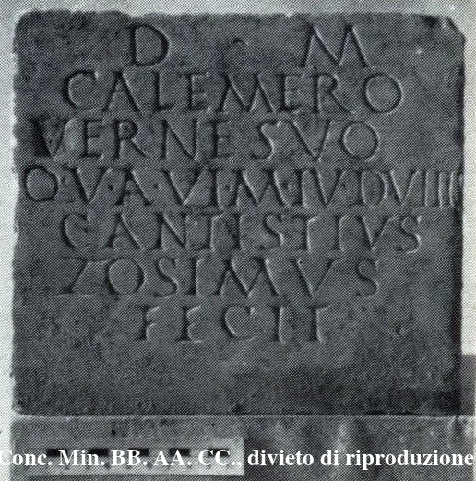
Interpretive | D(is) M(anibus).
 | Calemero 《v》erne suo,
 | q(ui) v(ixit) a(nnis) VI, m(ensibus) IV, d(iebus) VIIII,
 | C(aius) Antistius
5 | Zosimus
 | fecit.
Diplomatic?
GEO | 41.8917375,12.4861685

Foglio3
Ref URL | http://www.edr-edr.it/edr_programmi/res_complex_comune.php?do=book&id_nr=EDR001560
ID | EDR001560
Alt IDs? | TM268167
Object Type? | tabula
Material | marmor
Language | latina
Date | 151 d.C. / 200 d.C.
Inscription Type | sepulcralis
Image URLs | http://www.edr-edr.it/foto_epigrafi/immagini_uso/1/001560.jpg?dummy=1574091096
 | 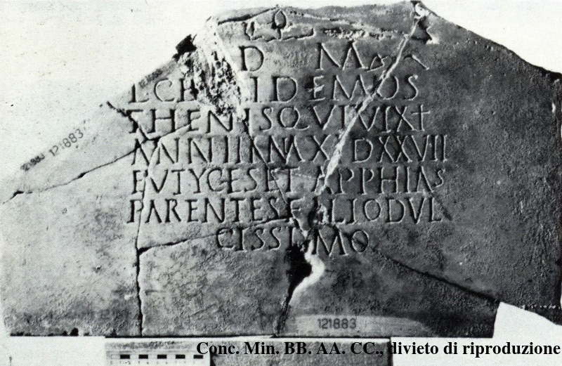
Interpretive | D(is) M(anibus).
 | L(ucio) Ce[st]i Demos=
 | thenis, qui vixît
 | ann(is) III, m(ensibus) XI, d(iebus) XXVII,
5 | Eutyĉĥes et Apphias
 | parentes filio dul=
 | cissimo
Diplomatic?
GEO | 41.8917375,12.4861685

Foglio4
Ref URL | http://www.edr-edr.it/edr_programmi/res_complex_comune.php?do=book&id_nr=EDR001577
ID | EDR001577
Alt IDs? | TM268184
Object Type? | tabula
Material | marmor
Language | latina
Date | 101 d.C. / 130 d.C.
Inscription Type | sepulcralis
Image URLs | http://www.edr-edr.it/foto_epigrafi/immagini_uso/1/001577.jpg?dummy=1574091411
 | 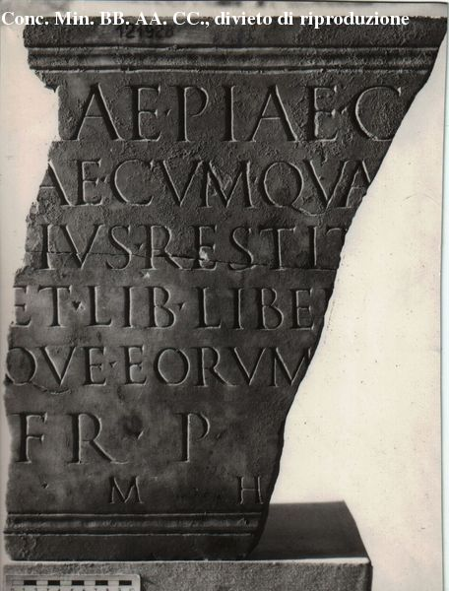
Interpretive | [Memor]iae piae c[oniugis --]
 | [---]ae cum qua vixit ann(os) [---]
 | [---]+ius Restit[utus fecit et]
 | [sibi] et lib(ertis) libeṛ[tab(us)q(ue) poste]
5 | [ris]que eorum [---]
 | [in] fr(onte) p(edes) [--- in agr(o) p(edes) ---].
 | [H(oc)] m(onumentum) h(eredem) [n(on) s(equetur)].
Diplomatic?
GEO | 41.8917375,12.4861685

Foglio5
Ref URL | http://www.edr-edr.it/edr_programmi/res_complex_comune.php?do=book&id_nr=EDR001588
ID | EDR001588
Alt IDs? | TM268194
Object Type? | tabula
Material | marmor
Language | latina
Date | 151 d.C. / 170 d.C.
Inscription Type | sepulcralis
Image URLs | http://www.edr-edr.it/foto_epigrafi/immagini_uso/1/001588.jpg?dummy=1574091692
 | 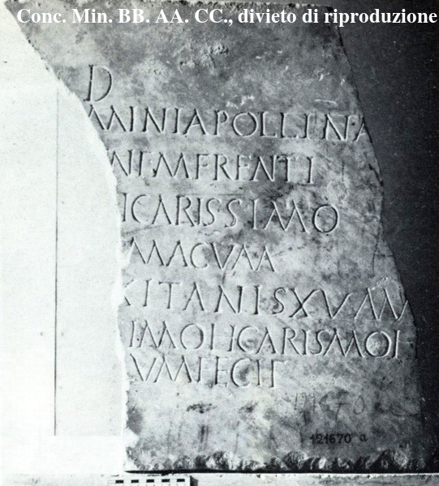
Interpretive | D(is) [M(anibus)].
 | [---]mini Apollina[ris ---]
 | [b]eṇẹ ṃẹṛẹnti [---]
 | [coniu]gi carissimo [---]
5 | [---]ma cum
 | [quo vi]xit an〈n〉is XV, m(ensibus) [---]
 | [---]ṣimo et caris〈si〉mo{i}
 | [---]ḷum fecit
Diplomatic?
GEO | 41.8917375,12.4861685

Foglio6
Ref URL | http://www.edr-edr.it/edr_programmi/res_complex_comune.php?do=book&id_nr=EDR001665
ID | EDR001665
Alt IDs? | TM268272
Object Type? | stela
Material | lapis
Language | latina
Date | 50 a.C. / 1 a.C.
Inscription Type | sepulcralis
Image URLs | http://www.edr-edr.it/foto_epigrafi/immagini_uso/1/001665.jpg?dummy=1574092094
 | 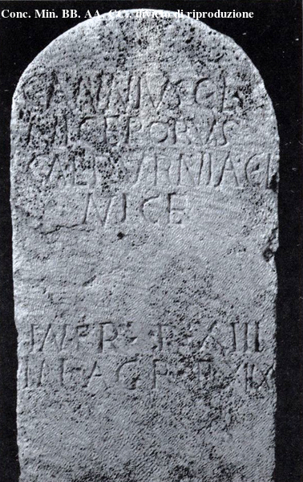
Interpretive | C(aius) Annius C(ai) l(ibertus)
 | Niceporus,
 | Calpurnia C(ai) l(iberta)
 | Nice;
5 | in fr(onte) p(edes) XIII,
 | in agr(o) p(edes) XIIX.
Diplomatic?
GEO | 41.8917375,12.4861685

Foglio7
Ref URL | http://www.edr-edr.it/edr_programmi/res_complex_comune.php?do=book&id_nr=EDR001666
ID | EDR001666
Alt IDs? | TM268677
Object Type? | stela
Material | lapis
Language | latina
Date | 51 a.C. / 1 a.C.
Inscription Type | sepulcralis
Image URLs | http://www.edr-edr.it/foto_epigrafi/immagini_uso/1/001666.jpg?dummy=1574092865
 | 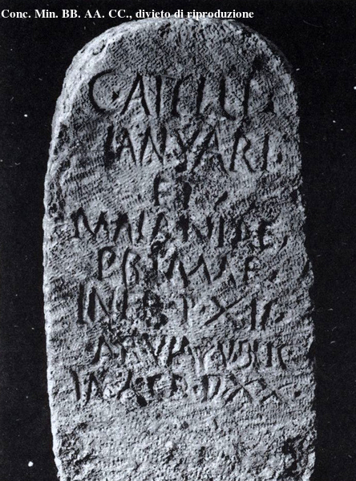
Interpretive | C(ai) Atelli
 | Ianuari
 | et
 | Maianiae
5 | Primae;
 | in fr(onte) p(edes) XII,
 | ab via public(a)
 | in agr(o) p(edes) XX.
Diplomatic?
GEO | 41.8917375,12.4861685

Foglio8
Ref URL | http://www.edr-edr.it/edr_programmi/res_complex_comune.php?do=book&id_nr=EDR001668
ID | EDR001668
Alt IDs? | TM268679
Object Type? | stela
Material | lapis
Language | latina
Date | 50 a.C. / 1 a.C.
Inscription Type | sepulcralis
Image URLs | http://www.edr-edr.it/foto_epigrafi/immagini_uso/1/001668.jpg?dummy=1574166375
 | 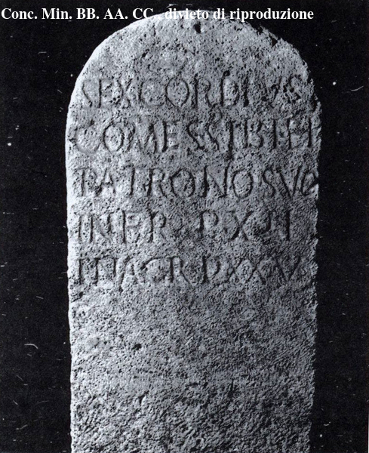
Interpretive | Sex(tus) Cordius
 | Comes sibi et
 | patrono suo;
 | in fr(onte) p(edes) XII,
5 | in agr(o) p(edes) XXV.
Diplomatic?
GEO | 41.8917375,12.4861685

Foglio9
Ref URL | http://www.edr-edr.it/edr_programmi/res_complex_comune.php?do=book&id_nr=EDR001672
ID | EDR001672
Alt IDs? | TM268275
Object Type? | stela
Material | lapis
Language | latina
Date | 50 a.C. / 1 a.C.
Inscription Type | sepulcralis
Image URLs | http://www.edr-edr.it/foto_epigrafi/immagini_uso/1/001672.jpg?dummy=1574166923
 | 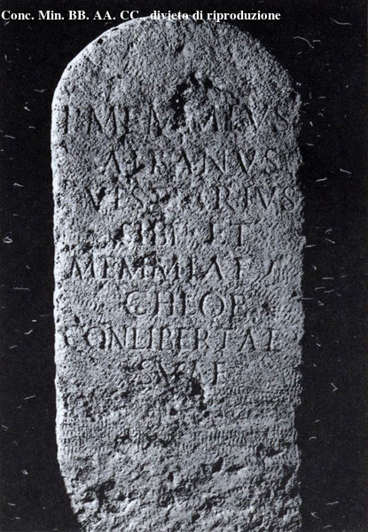
Interpretive | P(ublius) Memmius
 | Albanus
 | vestiarius
 | sibi et
5 | Memmiae
 | Chloe
 | conlibertae
 | suae.
Diplomatic?
GEO | 41.8917375,12.4861685

Foglio10
Ref URL | http://www.edr-edr.it/edr_programmi/res_complex_comune.php?do=book&id_nr=EDR001684
ID | EDR001684
Alt IDs? | TM268286
Object Type? | cippus, terminus
Material | lapis, tiburtinus
Language | latina
Date | 27 a.C. / 14 d.C.
Inscription Type | sepulcralis
Image URLs | http://www.edr-edr.it/foto_epigrafi/immagini_uso/1/001684.jpg?dummy=1574167397
 | 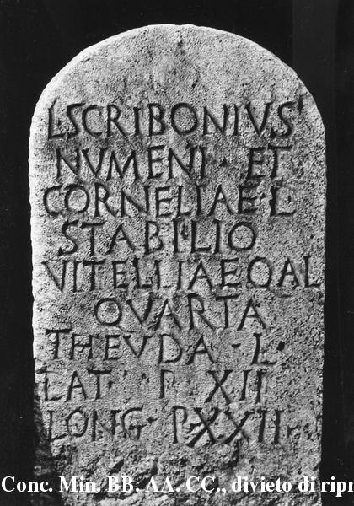
Interpretive | L(ucius) Scribonius
 | Numeni et
 | Corneliae l(ibertus)
 | Stabilio,
5 | Vitelliae Q(uinti) 〈:et〉 A(uli) l(iberta)
 | Quarta,
 | Theuda l(ibertus).
 | Lat(um) p(edes) XII,
 | lon(gum) p(edes) XXII.
Diplomatic?
GEO | 41.8917375,12.4861685

